Adhesive Calculator
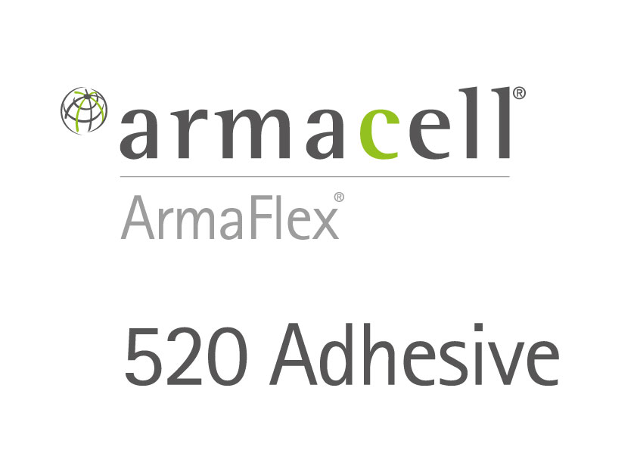
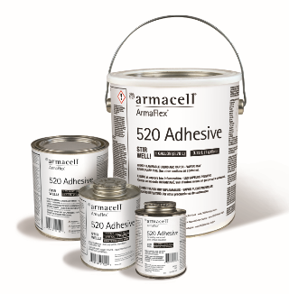
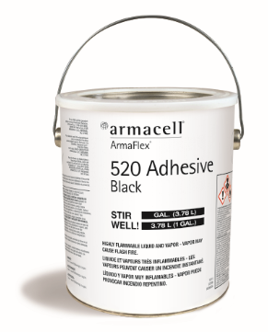
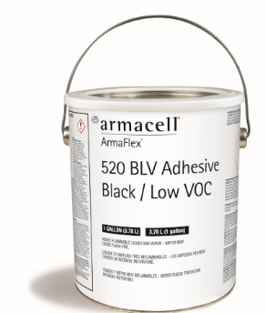
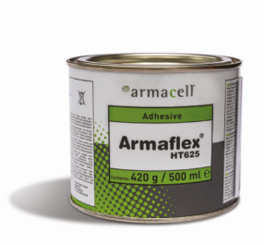

www.armacell.us |  | To be used with Armaflex 520, Armaflex 520 Black, Armaflex 520 Black Low VOC and Armaflex HT 625 adhesives
Adhesive Calculator for TUBES |  |  |  | Adhesive Calculator for SHEETS

Item: | Use Item Code Lookup Tab to find the codes for common tube insulation sizes. | 01212 | Input these values | Square Footage to be Coated | 200 | Input this value
 |  |  |  | Based on area to be covered. This takes into account that adhesive will have to be applied to both surfaces.
Number of Tubes: |  | 60

Ounces of Adhesive needed |  | 21 |  | Ounces of Adhesive needed | 256

1/2 Pints |  | 3 |  | 1/2 Pints | 32

Pints |  | 2 |  | Pints | 16

Quarts |  | 1 |  | Quarts | 8

Gallons |  | 1 |  | Gallons | 2

Values listed on this spreadsheet are estimates only and can vary based on application rate/method.
© Armacell 2021. ArmaFlex is a trademark of the Armacell Group.

WB Finish Calculator
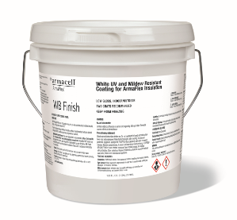
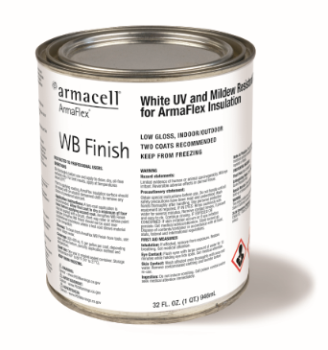
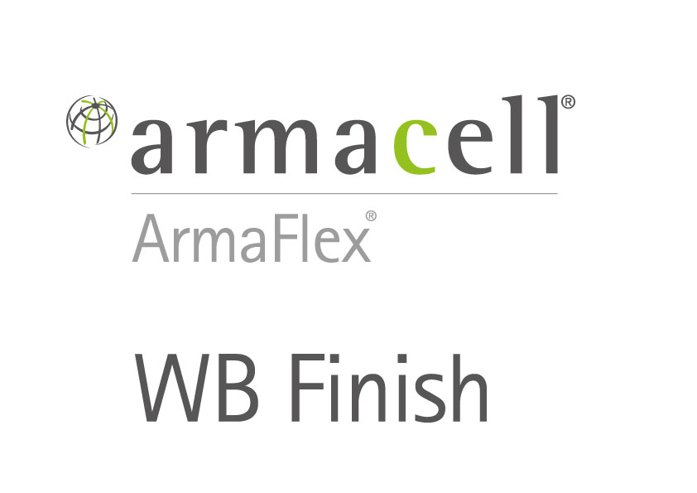

www.armacell.us |  |  |  | To be used with Armaflex® WB Finish, water-based coating for ArmaFlex® insulation.
WB Finish Calculator for TUBES |  |  |  | WB Finish Calculator for SHEETS
Item: | Use Item Code Lookup Tab to find the codes for common tube insulation sizes. | 60010 | Input these values | To be used to determine the estimated amount of WB Finish needed for painting Flat Surfaces. Values shown are based on coverage of two coats of finish.

Number of Tubes: |  | 200 |  | Square Footage to be Coated | 800 | Input this value

Ounces of Finish needed |  | 2482 |  | Ounces of Finish needed | 1024

Quarts |  | 78 |  | Quarts | 32

Gallons |  | 20 |  | Gallons | 8

Values listed on this spreadsheet are estimates only and can vary based on application rate/method.
© Armacell 2021. ArmaFlex is a trademark of the Armacell Group.

